Script
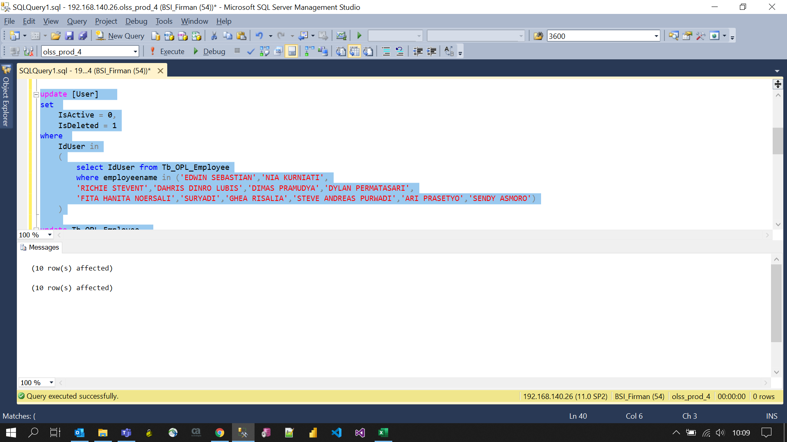
update [User]
set
 | IsActive = 0,
 | IsDeleted = 1
where
 | IdUser in
 | (
 |  | select IdUser from Tb_OPL_Employee
 |  | where employeename in ('EDWIN SEBASTIAN','NIA KURNIATI',
 |  | 'RICHIE STEVENT','DAHRIS DINRO LUBIS','DIMAS PRAMUDYA','DYLAN PERMATASARI',
 |  | 'FITA HANITA NOERSALI','SURYADI','GHEA RISALIA','STEVE ANDREAS PURWADI','ARI PRASETYO','SENDY ASMORO')
 | )

update Tb_OPL_Employee
set
 | IsActive = 0
where
 | IdUser in
 | (
 |  | select IdUser from Tb_OPL_Employee
 |  | where employeename in ('EDWIN SEBASTIAN','NIA KURNIATI',
 |  | 'RICHIE STEVENT','DAHRIS DINRO LUBIS','DIMAS PRAMUDYA','DYLAN PERMATASARI',
 |  | 'FITA HANITA NOERSALI','SURYADI','GHEA RISALIA','STEVE ANDREAS PURWADI','ARI PRASETYO','SENDY ASMORO')
 | )

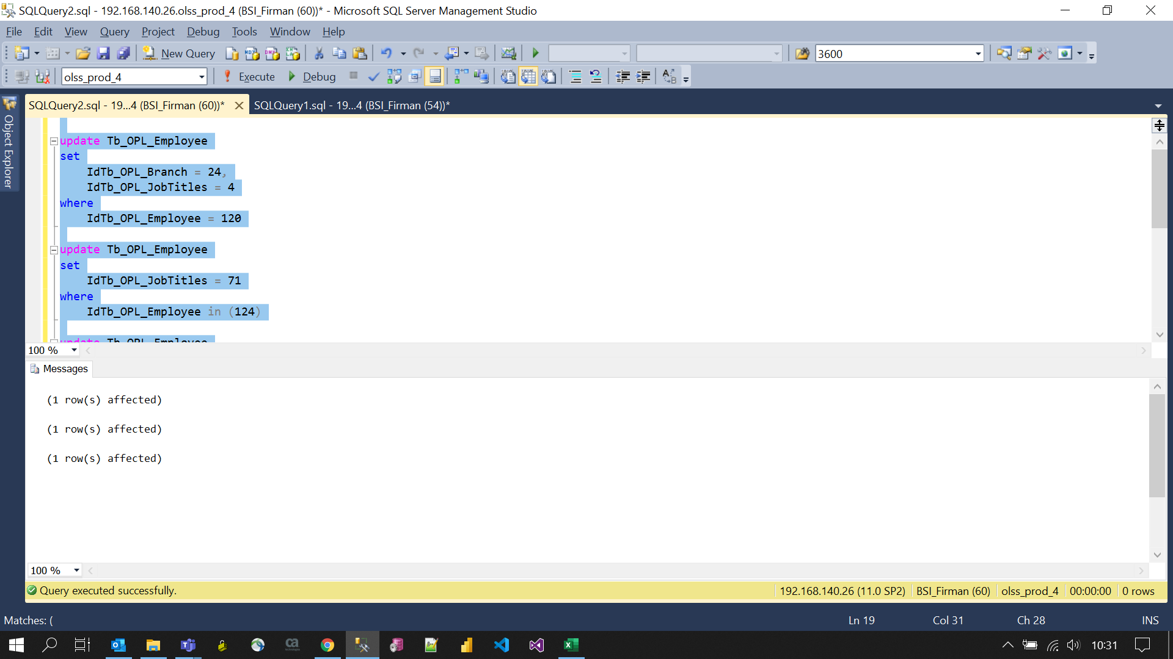
update Tb_OPL_Employee
set
 | IdTb_OPL_Branch = 24,
 | IdTb_OPL_JobTitles = 4
where
 | IdTb_OPL_Employee = 120

update Tb_OPL_Employee
set
 | IdTb_OPL_JobTitles = 71
where
 | IdTb_OPL_Employee in (124)

update Tb_OPL_Employee
set
 | IdTb_OPL_JobTitles = 67
where
 | IdTb_OPL_Employee in (150)

